Sheet1
Desc | Unit_Retail | Qty | Ext. Retail
MS IRON W CORD RAP | $13.88 | 240 | $3,331.20
MS IRON W CORD RAP | $13.88 | 240 | $3,331.20
MS IRON W CORD RAP | $13.88 | 240 | $3,331.20
MS IRON W CORD RAP | $13.88 | 240 | $3,331.20
MS IRON W CORD RAP | $13.88 | 480 | $6,662.40
MS IRON W CORD RAP | $13.88 | 224 | $3,109.12
MS SHOE RACK UB ORG | $9.87 | 192 | $1,895.04
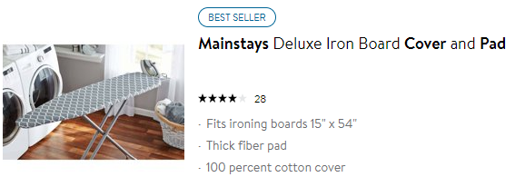
MS SHOE RACK UB ORG | $9.87 | 320 | $3,158.40
MS PADCOVER RGBSTR | $7.97 | 648 | $5,164.56
MS PADCOVER RGBSTR | $7.97 | 720 | $5,738.40
MS PADCOVER RGBSTR | $7.97 | 720 | $5,738.40
MS HNGR EXP PANT 2PK | $2.97 | 864 | $2,566.08
MS HNGR EXP PANT 2PK | $2.97 | 864 | $2,566.08
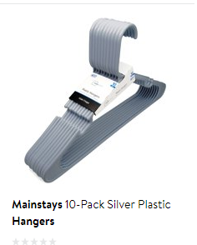
MS HNGR EXP PANT 2PK | $2.97 | 1200 | $3,564.00
 |  | 7192 | $53,487.28

